20240211~20240217 MENU MENU_SALE_PRICE의 그래프
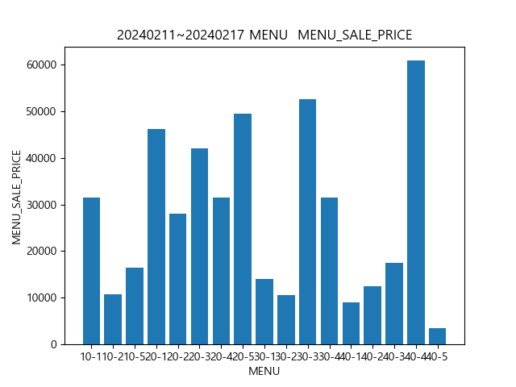

20240211~20240217 USER_SEX MENU_SALE_PRICE의 그래프
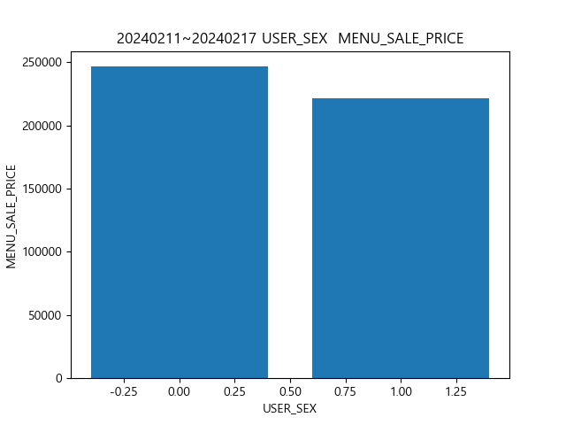

20240211~20240217 USER_SEX MENU MENU_SALE_PRICE의 그래프
